problem defect
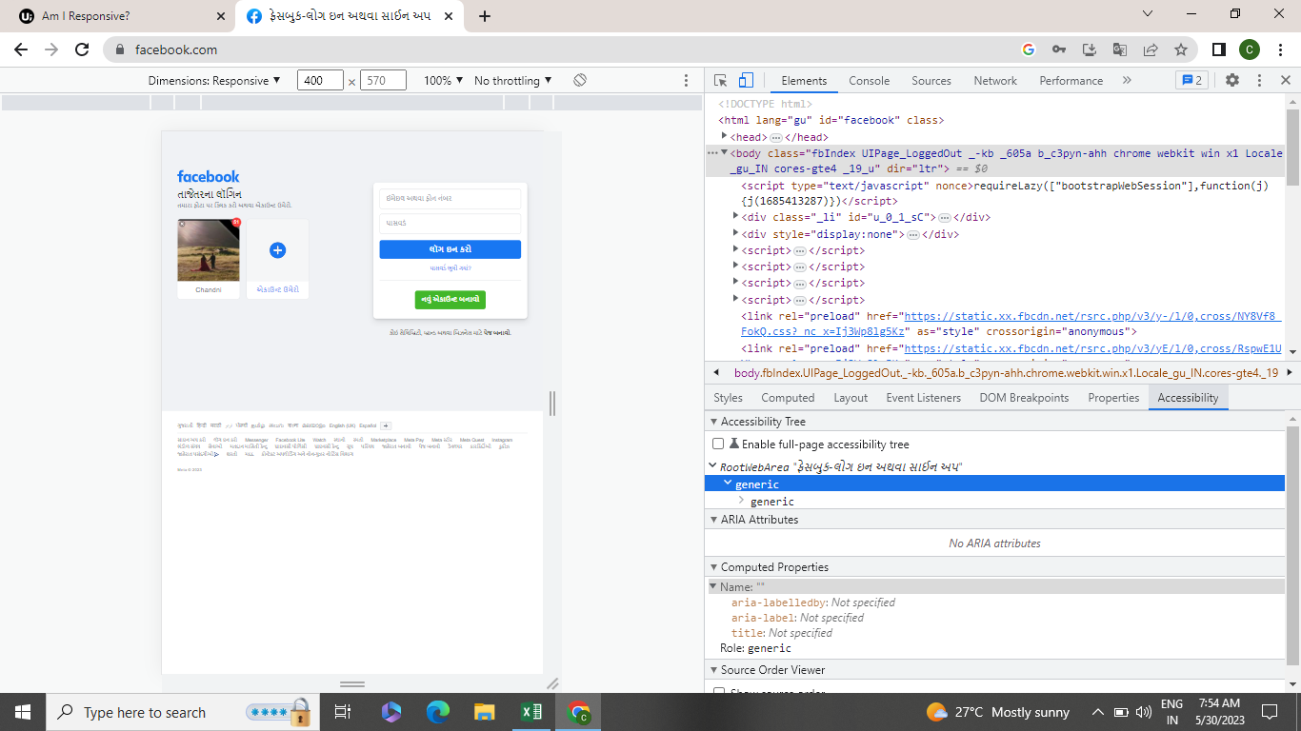

face book web page agliment change and resolution allpages are same time not working

